most_revenue contribution
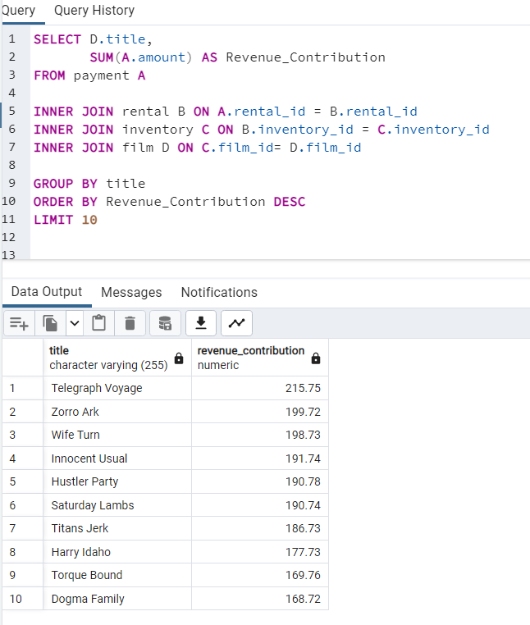
Title | Revenue Contribution | Spalte1 | SELECT D.title, SUM(A.amount) AS Revenue_Contribution FROM payment A INNER JOIN rental B ON A.rental_id = B.rental_id INNER JOIN inventory C ON B.inventory_id = C.inventory_id INNER JOIN film D ON C.film_id= D.film_id GROUP BY title ORDER BY Revenue_Contribution DESC LIMIT 10
Dogma Family | 168.72 | 9%
Torque Bound | 169.76 | 9%
Harry Idaho | 177.73 | 9%
Titans Jerk | 186.73 | 10%
Saturday Lambs | 190.74 | 10%
Hustler Party | 190.78 | 10%
Innocent Usual | 191.74 | 10%
Wife Turn | 198.73 | 11%
Zorro Ark | 199.72 | 11%
Telegraph Voyage | 215.75 | 11%

Total | 1890.4 | #VALUE!

least_revenue contribution
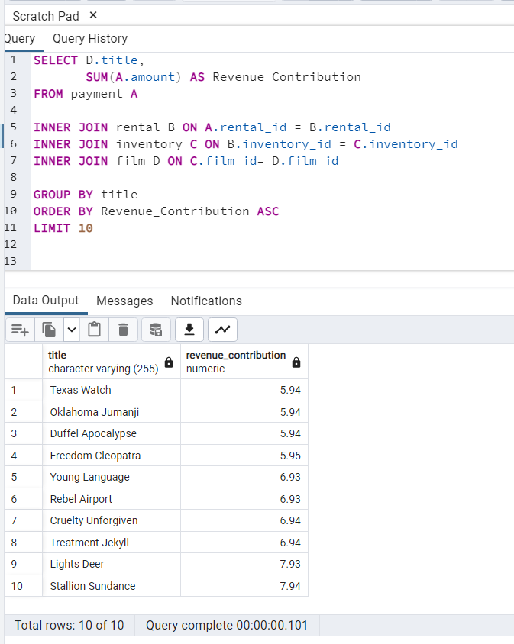
title | revenue_contribution | SELECT D.title, SUM(A.amount) AS Revenue_Contribution FROM payment A INNER JOIN rental B ON A.rental_id = B.rental_id INNER JOIN inventory C ON B.inventory_id = C.inventory_id INNER JOIN film D ON C.film_id= D.film_id GROUP BY title ORDER BY Revenue_Contribution ASC LIMIT 10
Stallion Sundance | 7.94
Lights Deer | 7.93
Cruelty Unforgiven | 6.94
Treatment Jekyll | 6.94
Young Language | 6.93
Rebel Airport | 6.93
Freedom Cleopatra | 5.95
Texas Watch | 5.94
Oklahoma Jumanji | 5.94
Duffel Apocalypse | 5.94

Revenue Contribution

Genres Revenue Contribution
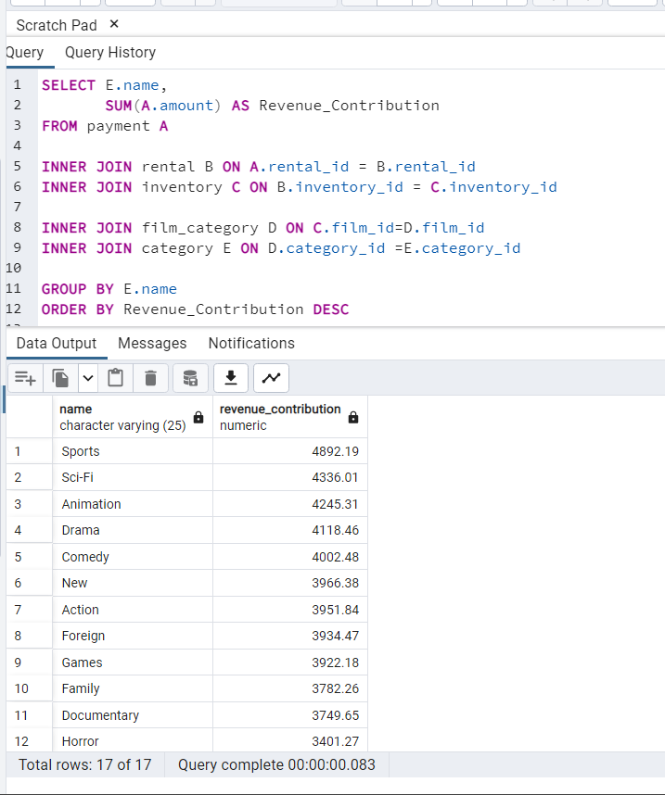
name | revenue_contribution | % | SELECT E,name, SUM(A,amount) AS Revenue_Contribution FROM payment A INNER JOIN rental B ON A,rental_id = B,rental_id INNER JOIN inventory C ON B,inventory_id = C,inventory_id INNER JOIN film_category D ON C,film_id=D,film_id INNER JOIN category E ON D,category_id =E,category_id GROUP BY E,name ORDER BY Revenue_Contribution DESC
Sports | $4,892 | 8%
Sci-Fi | $4,336 | 7%
Animation | $4,245 | 7%
Drama | $4,118 | 7%
Comedy | $4,002 | 7%
New | $3,966 | 6%
Action | $3,952 | 6%
Foreign | $3,934 | 6%
Games | $3,922 | 6%
Family | $3,782 | 6%
Documentary | $3,750 | 6%
Horror | $3,401 | 6%
Classics | $3,353 | 5%
Children | $3,309 | 5%
Travel | $3,227 | 5%
Music | $3,072 | 5%
Thriller | $48 | 0%

Total | 61312.04

Top 5 Genres
Sports | $4,892
Sci-Fi | $4,336
Animation | $4,245
Drama | $4,118
Comedy | $4,002
Revenue by Genre

AVG_rental duration-all films
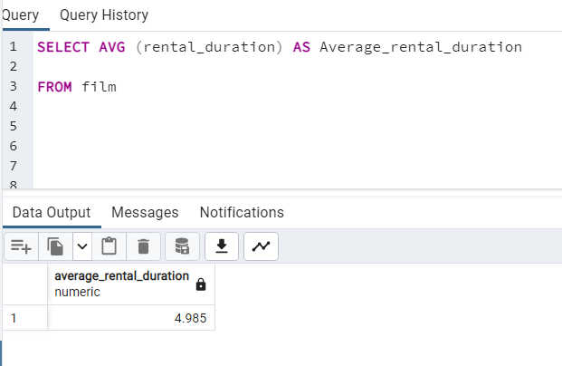
Column1 | SELECT AVG (rental_duration) AS Average_rental_duration FROM film
average_rental_duration
4.985

AVG_renta_duration by Genre
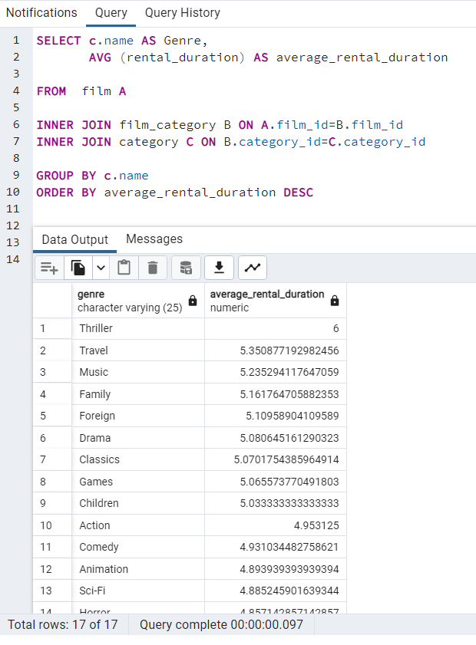
genre | average_rental_duration | SELECT c.name AS Genre, AVG (rental_duration) AS average_rental_duration FROM film A INNER JOIN film_category B ON A.film_id=B.film_id INNER JOIN category C ON B.category_id=C.category_id GROUP BY c.name ORDER BY average_rental_duration DESC
Sports | 4.72
New | 4.75
Documentary | 4.76
Horror | 4.86
Sci-Fi | 4.89
Animation | 4.89
Comedy | 4.93
Action | 4.95
Children | 5.03
Games | 5.07
Classics | 5.07
Drama | 5.08
Foreign | 5.11
Family | 5.16
Music | 5.24
Travel | 5.35
Thriller | 6

Average rental duration by Genre

avg_rental duration by rental_p
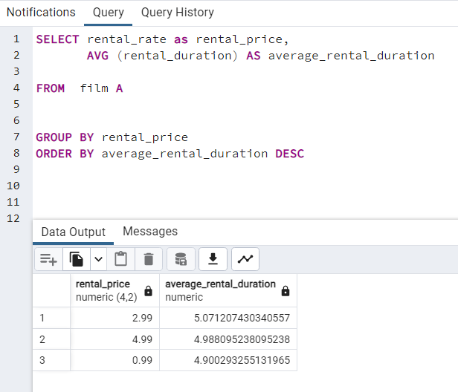
Column1 | Column2 | SELECT rental_rate as rental_price, AVG (rental_duration) AS average_rental_duration FROM film A GROUP BY rental_price ORDER BY average_rental_duration DESC
rental_price | average_rental_duration
2.99 | 5.1
4.99 | 5.0
0.99 | 4.9

BY RENTAL PRICE
$2.99 | 5,1 Days
$4.99 | 5,0 Days
$0.99 | 4,9 Days

Customers_country_location
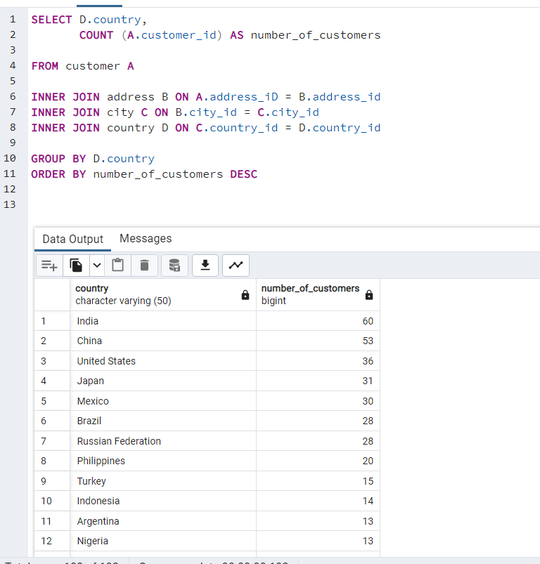
Column1 | Column2
country | number_of_customers | SELECT D.country, COUNT (A.customer_id) AS number_of_customers FROM customer A INNER JOIN address B ON A.address_iD = B.address_id INNER JOIN city C ON B.city_id = C.city_id INNER JOIN country D ON C.country_id = D.country_id GROUP BY D.country ORDER BY number_of_customers DESC
India | 60
China | 53
United States | 36
Japan | 31
Mexico | 30
Brazil | 28
Russian Federation | 28
Philippines | 20
Turkey | 15
Indonesia | 14
Argentina | 13
Nigeria | 13
South Africa | 11
Taiwan | 10
United Kingdom | 9
Poland | 8
Iran | 8
Germany | 7
Italy | 7
Venezuela | 7
Egypt | 6
Colombia | 6
Ukraine | 6
Vietnam | 6
Spain | 5
Canada | 5
South Korea | 5
Pakistan | 5
Netherlands | 5
Saudi Arabia | 5
Israel | 4
France | 4
Yemen | 4
Peru | 4
Dominican Republic | 3
Bangladesh | 3
Thailand | 3
Algeria | 3
Chile | 3
Malaysia | 3
Mozambique | 3
Switzerland | 3
Ecuador | 3
Paraguay | 3
Austria | 3
United Arab Emirates | 3
Morocco | 3
Tanzania | 3
Myanmar | 2
Bulgaria | 2
Cameroon | 2
Cambodia | 2
Congo, The Democratic Republic of the | 2
Sudan | 2
Romania | 2
Latvia | 2
Yugoslavia | 2
Puerto Rico | 2
Kazakstan | 2
Greece | 2
Bolivia | 2
Kenya | 2
French Polynesia | 2
Angola | 2
Belarus | 2
Oman | 2
Azerbaijan | 2
Hungary | 1
American Samoa | 1
Armenia | 1
Sri Lanka | 1
French Guiana | 1
Sweden | 1
Faroe Islands | 1
Ethiopia | 1
Bahrain | 1
Czech Republic | 1
Lithuania | 1
Turkmenistan | 1
Tunisia | 1
Virgin Islands, U.S. | 1
Malawi | 1
Chad | 1
Afghanistan | 1
Greenland | 1
Moldova | 1
Gambia | 1
Holy See (Vatican City State) | 1
Estonia | 1
Slovakia | 1
North Korea | 1
Nauru | 1
Liechtenstein | 1
Senegal | 1
Zambia | 1
Hong Kong | 1
Kuwait | 1
Madagascar | 1
Runion | 1
Saint Vincent and the Grenadines | 1
Tuvalu | 1
Finland | 1
Iraq | 1
Anguilla | 1
Brunei | 1
Tonga | 1
Nepal | 1
New Zealand | 1

Customers High Lifetime Value
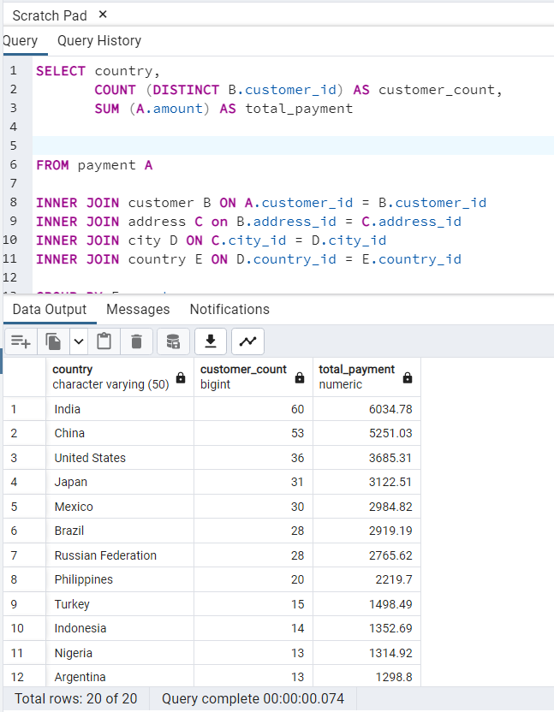
Country | Customer Count | Total Payment | Avg Payment/Customer | SELECT country, COUNT (DISTINCT B.customer_id) AS customer_count, SUM (A.amount) AS total_payment FROM payment A INNER JOIN customer B ON A.customer_id = B.customer_id INNER JOIN address C on B.address_id = C.address_id INNER JOIN city D ON C.city_id = D.city_id INNER JOIN country E ON D.country_id = E.country_id GROUP BY E.country ORDER BY total_payment DESC LIMIT 20
India | 60 | 6034.78 | 100.58
China | 53 | 5251.03 | 99.08
United States | 36 | 3685.31 | 102.37
Japan | 31 | 3122.51 | 100.73
Mexico | 30 | 2984.82 | 99.49
Brazil | 28 | 2919.19 | 104.26
Russian Federation | 28 | 2765.62 | 98.77
Philippines | 20 | 2219.7 | 110.98
Turkey | 15 | 1498.49 | 99.90
Indonesia | 14 | 1352.69 | 96.62
Nigeria | 13 | 1314.92 | 101.15
Argentina | 13 | 1298.8 | 99.91
Taiwan | 10 | 1155.1 | 115.51
South Africa | 11 | 1069.46 | 97.22
Iran | 8 | 877.96 | 109.75
United Kingdom | 9 | 850.96 | 94.55
Poland | 8 | 786.16 | 98.27
Italy | 7 | 753.26 | 107.61
Germany | 7 | 741.24 | 105.89
Vietnam | 6 | 676.45 | 112.74

region&country_cst_payment
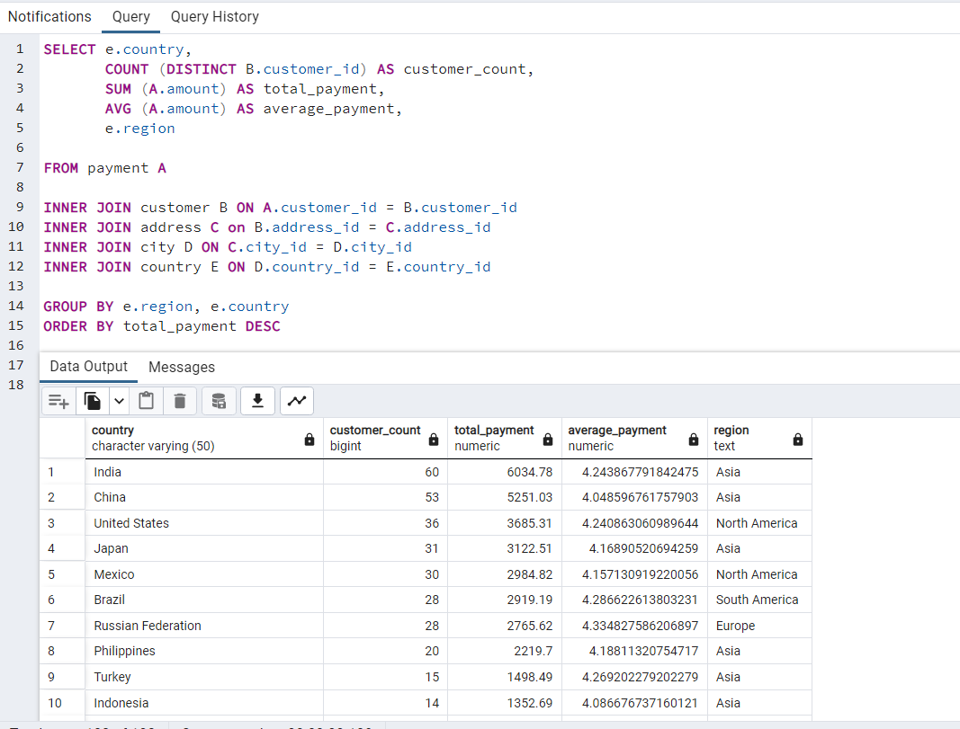
country | customer_count | total_payment | average_payment | region |  | new column 'Region' in Country Table has been added
 |  |  |  |  | SELECT e.country, COUNT (DISTINCT B.customer_id) AS customer_count, SUM (A.amount) AS total_payment, AVG (A.amount) AS average_payment, e.region FROM payment A INNER JOIN customer B ON A.customer_id = B.customer_id INNER JOIN address C on B.address_id = C.address_id INNER JOIN city D ON C.city_id = D.city_id INNER JOIN country E ON D.country_id = E.country_id GROUP BY e.region, e.country ORDER BY total_payment DESC | ALTER TABLE country ADD COLUMN region TEXT;
India | 60 | 6034.78 | 4.24 | Asia
China | 53 | 5251.03 | 4.05 | Asia |  | UPDATE country as c
United States | 36 | 3685.31 | 4.24 | North America |  | SET region =
Japan | 31 | 3122.51 | 4.17 | Asia |  | CASE c.country
Mexico | 30 | 2984.82 | 4.16 | North America |  | WHEN 'Afghanistan' THEN 'Asia'
Brazil | 28 | 2919.19 | 4.29 | South America |  | WHEN 'Algeria' THEN 'Africa'
Russian Federation | 28 | 2765.62 | 4.33 | Europe |  | WHEN 'American Samoa' THEN 'Oceania'
Philippines | 20 | 2219.7 | 4.19 | Asia |  | WHEN 'Angola' THEN 'Africa'
Turkey | 15 | 1498.49 | 4.27 | Asia |  | WHEN 'Anguilla' THEN 'North America'
Indonesia | 14 | 1352.69 | 4.09 | Asia |  | WHEN 'Argentina' THEN 'South America'
Nigeria | 13 | 1314.92 | 4.27 | Africa |  | WHEN 'Armenia' THEN 'Asia'
Argentina | 13 | 1298.8 | 4.06 | South America |  | WHEN 'Australia' THEN 'Oceania'
Taiwan | 10 | 1155.1 | 3.98 | Asia |  | WHEN 'Austria' THEN 'Europe'
South Africa | 11 | 1069.46 | 4.21 | Africa |  | WHEN 'Azerbaijan' THEN 'Asia'
Iran | 8 | 877.96 | 4.30 | Asia |  | WHEN 'Bahrain' THEN 'Asia'
United Kingdom | 9 | 850.96 | 4.17 | Europe |  | WHEN 'Bangladesh' THEN 'Asia'
Poland | 8 | 786.16 | 4.27 | Europe |  | WHEN 'Belarus' THEN 'Europe'
Italy | 7 | 753.26 | 4.33 | Europe |  | WHEN 'Bolivia' THEN 'South America'
Germany | 7 | 741.24 | 4.21 | Europe |  | WHEN 'Brazil' THEN 'South America'
Vietnam | 6 | 676.45 | 4.36 | Asia |  | WHEN 'Brunei' THEN 'Asia'
Ukraine | 6 | 675.53 | 4.60 | Europe |  | WHEN 'Bulgaria' THEN 'Europe'
Colombia | 6 | 661.54 | 4.53 | South America |  | WHEN 'Cambodia' THEN 'Asia'
Egypt | 6 | 659.48 | 4.34 | Africa |  | WHEN 'Cameroon' THEN 'Africa'
Venezuela | 7 | 632.43 | 4.03 | South America |  | WHEN 'Canada' THEN 'North America'
Canada | 5 | 559.7 | 4.31 | North America |  | WHEN 'Chad' THEN 'Africa'
Netherlands | 5 | 557.73 | 4.39 | Europe |  | WHEN 'Chile' THEN 'South America'
South Korea | 5 | 527.77 | 4.29 | Asia |  | WHEN 'China' THEN 'Asia'
Spain | 5 | 513.8 | 4.28 | Europe |  | WHEN 'Colombia' THEN 'South America'
Yemen | 4 | 473.93 | 4.43 | Asia |  | WHEN 'Congo, The Democratic Republic of the' THEN 'Africa'
Pakistan | 5 | 473.84 | 4.08 | Asia |  | WHEN 'Czech Republic' THEN 'Europe'
Saudi Arabia | 5 | 452.94 | 4.27 | Asia |  | WHEN 'Dominican Republic' THEN 'North America'
Peru | 4 | 407.01 | 4.11 | South America |  | WHEN 'Ecuador' THEN 'South America'
Thailand | 3 | 401.08 | 4.36 | Asia |  | WHEN 'Egypt' THEN 'Africa'
Israel | 4 | 379.13 | 4.36 | Asia |  | WHEN 'Estonia' THEN 'Europe'
Ecuador | 3 | 369.18 | 4.50 | South America |  | WHEN 'Ethiopia' THEN 'Africa'
Bangladesh | 3 | 353.19 | 4.36 | Asia |  | WHEN 'Faroe Islands' THEN 'Europe'
Algeria | 3 | 349.18 | 4.26 | Africa |  | WHEN 'Finland' THEN 'Europe'
France | 4 | 334.12 | 3.80 | Europe |  | WHEN 'France' THEN 'Europe'
Malaysia | 3 | 330.23 | 4.29 | Asia |  | WHEN 'French Guiana' THEN 'South America'
Tanzania | 3 | 322.22 | 4.13 | Africa |  | WHEN 'French Polynesia' THEN 'Oceania'
Mozambique | 3 | 315.25 | 4.20 | Africa |  | WHEN 'Gambia' THEN 'Africa'
United Arab Emirates | 3 | 305.25 | 4.07 | Asia |  | WHEN 'Germany' THEN 'Europe'
Dominican Republic | 3 | 304.26 | 4.11 | North America |  | WHEN 'Greece' THEN 'Europe'
Chile | 3 | 303.34 | 4.60 | South America |  | WHEN 'Greenland' THEN 'North America'
Austria | 3 | 284.3 | 4.06 | Europe |  | WHEN 'Holy See (Vatican City State)' THEN 'Europe'
Morocco | 3 | 274.35 | 4.22 | Africa |  | WHEN 'Hong Kong' THEN 'Asia'
Paraguay | 3 | 273.4 | 4.56 | South America |  | WHEN 'Hungary' THEN 'Europe'
Belarus | 2 | 271.36 | 4.24 | Europe |  | WHEN 'India' THEN 'Asia'
Latvia | 2 | 249.43 | 4.38 | Europe |  | WHEN 'Indonesia' THEN 'Asia'
Switzerland | 3 | 248.41 | 4.21 | Europe |  | WHEN 'Iran' THEN 'Asia'
Kenya | 2 | 245.49 | 4.81 | Africa |  | WHEN 'Iraq' THEN 'Asia'
Yugoslavia | 2 | 233.49 | 4.58 | Europe |  | WHEN 'Israel' THEN 'Asia'
Puerto Rico | 2 | 224.48 | 4.32 | North America |  | WHEN 'Italy' THEN 'Europe'
Romania | 2 | 218.42 | 3.77 | Europe |  | WHEN 'Japan' THEN 'Asia'
Runion | 1 | 211.55 | 4.70 | Africa |  | WHEN 'Kazakstan' THEN 'Asia'
French Polynesia | 2 | 205.52 | 4.28 | Oceania |  | WHEN 'Kenya' THEN 'Africa'
Greece | 2 | 204.54 | 4.45 | Europe |  | WHEN 'Kuwait' THEN 'Asia'
Sudan | 2 | 202.51 | 4.13 | Africa |  | WHEN 'Latvia' THEN 'Europe'
Azerbaijan | 2 | 198.53 | 4.22 | Asia |  | WHEN 'Liechtenstein' THEN 'Europe'
Bulgaria | 2 | 194.52 | 4.05 | Europe |  | WHEN 'Lithuania' THEN 'Europe'
Kazakstan | 2 | 192.51 | 3.93 | Asia |  | WHEN 'Madagascar' THEN 'Africa'
Angola | 2 | 187.55 | 4.17 | Africa |  | WHEN 'Malaysia' THEN 'Asia'
Cameroon | 2 | 186.49 | 3.66 | Africa |  | WHEN 'Mexico' THEN 'North America'
Myanmar | 2 | 179.53 | 3.82 | Asia |  | WHEN 'Moldova' THEN 'Europe'
Cambodia | 2 | 179.51 | 3.66 | Asia |  | WHEN 'Morocco' THEN 'Africa'
Bolivia | 2 | 178.56 | 4.06 | South America |  | WHEN 'Mozambique' THEN 'Africa'
Congo, The Democratic Republic of the | 2 | 168.58 | 4.01 | Africa |  | WHEN 'Myanmar' THEN 'Asia'
Oman | 2 | 161.56 | 3.67 | Asia |  | WHEN 'Nauru' THEN 'Oceania'
Holy See (Vatican City State) | 1 | 146.68 | 4.58 | Europe |  | WHEN 'Nepal' THEN 'Asia'
Nauru | 1 | 143.7 | 4.79 | Oceania |  | WHEN 'Netherlands' THEN 'Europe'
Sweden | 1 | 139.67 | 4.23 | Europe |  | WHEN 'New Zealand' THEN 'Oceania'
Czech Republic | 1 | 132.72 | 4.74 | Europe |  | WHEN 'Nigeria' THEN 'Africa'
Moldova | 1 | 127.66 | 3.75 | Europe |  | WHEN 'North Korea' THEN 'Asia'
Turkmenistan | 1 | 126.74 | 4.87 | Asia |  | WHEN 'Oman' THEN 'Asia'
Chad | 1 | 122.72 | 4.38 | Africa |  | WHEN 'Pakistan' THEN 'Asia'
Malawi | 1 | 121.73 | 4.51 | Africa |  | WHEN 'Paraguay' THEN 'South America'
Zambia | 1 | 121.7 | 4.06 | Africa |  | WHEN 'Peru' THEN 'South America'
Virgin Islands, U,S, | 1 | 121.69 | 3.93 | North America |  | WHEN 'Philippines' THEN 'Asia'
Greenland | 1 | 119.72 | 4.28 | North America |  | WHEN 'Poland' THEN 'Europe'
Armenia | 1 | 118.75 | 4.75 | Asia |  | WHEN 'Puerto Rico' THEN 'North America'
Gambia | 1 | 114.73 | 4.25 | Africa |  | WHEN 'Romania' THEN 'Europe'
Iraq | 1 | 111.73 | 4.14 | Asia |  | WHEN 'Runion' THEN 'Africa'
Hungary | 1 | 111.71 | 3.85 | Europe |  | WHEN 'Russian Federation' THEN 'Europe'
Bahrain | 1 | 108.76 | 4.53 | Asia |  | WHEN 'Saint Vincent and the Grenadines' THEN 'North America'
North Korea | 1 | 107.71 | 3.71 | Asia |  | WHEN 'Saudi Arabia' THEN 'Asia'
Brunei | 1 | 107.66 | 3.17 | Asia |  | WHEN 'Senegal' THEN 'Africa'
Kuwait | 1 | 106.75 | 4.27 | Asia |  | WHEN 'Slovakia' THEN 'Europe'
Estonia | 1 | 105.72 | 3.78 | Europe |  | WHEN 'South Africa' THEN 'Africa'
Hong Kong | 1 | 104.76 | 4.37 | Asia |  | WHEN 'South Korea' THEN 'Asia'
Sri Lanka | 1 | 103.73 | 3.84 | Asia |  | WHEN 'Spain' THEN 'Europe'
Liechtenstein | 1 | 99.74 | 3.84 | Europe |  | WHEN 'Sri Lanka' THEN 'Asia'
Anguilla | 1 | 99.68 | 3.12 | North America |  | WHEN 'Sudan' THEN 'Africa'
French Guiana | 1 | 97.8 | 4.89 | South America |  | WHEN 'Sweden' THEN 'Europe'
Faroe Islands | 1 | 96.76 | 4.03 | Europe |  | WHEN 'Switzerland' THEN 'Europe'
Senegal | 1 | 95.76 | 3.99 | Africa |  | WHEN 'Taiwan' THEN 'Asia'
Nepal | 1 | 93.83 | 5.52 | Asia |  | WHEN 'Tanzania' THEN 'Africa'
Tuvalu | 1 | 93.78 | 4.26 | Oceania |  | WHEN 'Thailand' THEN 'Asia'
Madagascar | 1 | 92.79 | 4.42 | Africa |  | WHEN 'Tonga' THEN 'Oceania'
Ethiopia | 1 | 91.77 | 3.99 | Africa |  | WHEN 'Tunisia' THEN 'Africa'
New Zealand | 1 | 85.77 | 3.73 | Oceania |  | WHEN 'Turkey' THEN 'Asia'
Slovakia | 1 | 80.77 | 3.51 | Europe |  | WHEN 'Turkmenistan' THEN 'Asia'
Finland | 1 | 78.79 | 3.75 | Europe |  | WHEN 'Tuvalu' THEN 'Oceania'
Tunisia | 1 | 73.78 | 3.35 | Africa |  | WHEN 'Ukraine' THEN 'Europe'
Afghanistan | 1 | 67.82 | 3.77 | Asia |  | WHEN 'United Arab Emirates' THEN 'Asia'
Tonga | 1 | 64.84 | 4.05 | Oceania |  | WHEN 'United Kingdom' THEN 'Europe'
Saint Vincent and the Grenadines | 1 | 64.82 | 3.60 | North America |  | WHEN 'United States' THEN 'North America'
Lithuania | 1 | 63.78 | 2.90 | Europe |  | WHEN 'Venezuela' THEN 'South America'
American Samoa | 1 | 47.85 | 3.19 | Oceania |  | WHEN 'Vietnam' THEN 'Asia'
 |  |  |  |  |  | WHEN 'Virgin Islands, U.S.' THEN 'North America'
 |  |  |  |  |  | WHEN 'Yemen' THEN 'Asia'
 |  |  |  |  |  | WHEN 'Yugoslavia' THEN 'Europe'
 |  |  |  |  |  | WHEN 'Zambia' THEN 'Africa'
 |  |  |  |  |  | END;
 |  |  |  |  |  | SELECT * FROM country;

region_customer_payment
Column1 | Column2 | Column3 | Column4 | SELECT e.region, COUNT (DISTINCT B.customer_id) AS customer_count, SUM (A.amount) AS total_payment, AVG (A.amount) AS average_payment FROM payment A INNER JOIN customer B ON A.customer_id = B.customer_id INNER JOIN address C on B.address_id = C.address_id INNER JOIN city D ON C.city_id = D.city_id INNER JOIN country E ON D.country_id = E.country_id GROUP BY e.region ORDER BY total_payment DESC
region | customer_count | total_payment | average_payment
Asia | 273 | 27955.95 | 4.17
Europe | 108 | 11066.89 | 4.24
North America | 80 | 8164.48 | 4.18
South America | 70 | 7141.25 | 4.26
Africa | 61 | 6342.01 | 4.23
Oceania | 7 | 641.46 | 4.17

Total Sales by Region ($)

Total Customers by Region

Film statistics
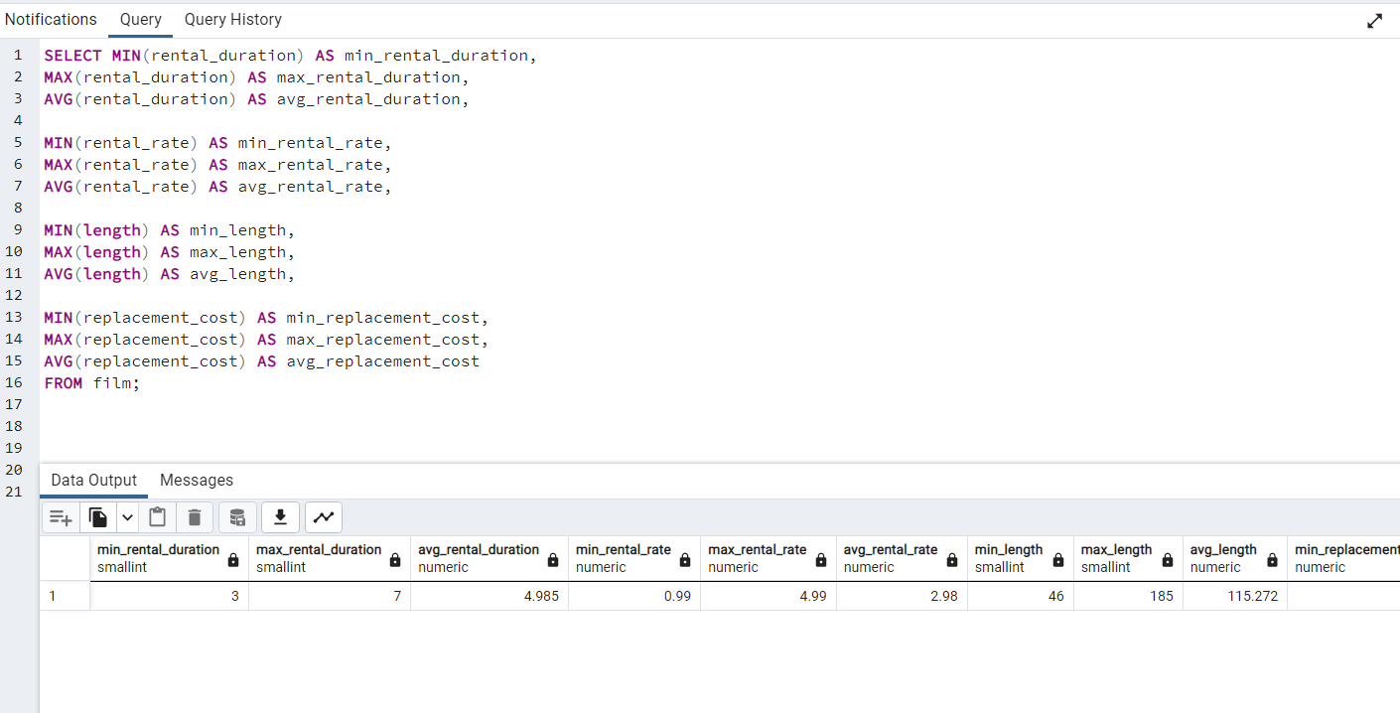
 |  | SELECT MIN(rental_duration) AS min_rental_duration, MAX(rental_duration) AS max_rental_duration, AVG(rental_duration) AS avg_rental_duration, MIN(rental_rate) AS min_rental_rate, MAX(rental_rate) AS max_rental_rate, AVG(rental_rate) AS avg_rental_rate, MIN(length) AS min_length, MAX(length) AS max_length, AVG(length) AS avg_length, MIN(replacement_cost) AS min_replacement_cost, MAX(replacement_cost) AS max_replacement_cost, AVG(replacement_cost) AS avg_replacement_cost FROM film;

min_rental_duration | 3
max_rental_duration | 7
avg_rental_duration | 5
min_rental_rate | 0.99
max_rental_rate | 4.99
avg_rental_rate | 2.98
min_length | 46
max_length | 185
avg_length | 115
min_replacement_cost | 10
max_replacement_cost | 30
avg_replacement_cost | 20

statistics 2
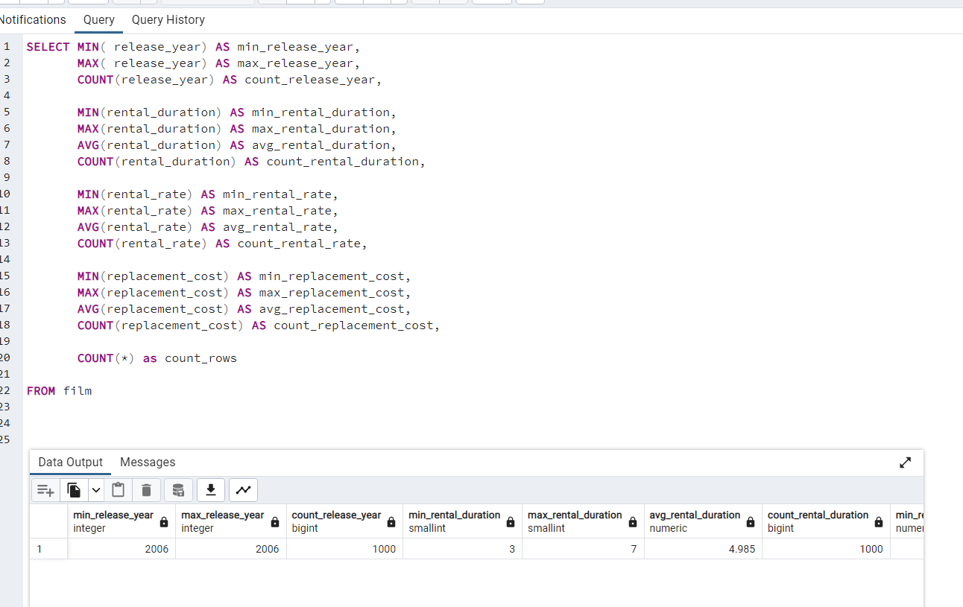
 |  | SELECT MIN( release_year) AS min_release_year, MAX( release_year) AS max_release_year, COUNT(release_year) AS count_release_year, MIN(rental_duration) AS min_rental_duration, MAX(rental_duration) AS max_rental_duration, AVG(rental_duration) AS avg_rental_duration, COUNT(rental_duration) AS count_rental_duration, MIN(rental_rate) AS min_rental_rate, MAX(rental_rate) AS max_rental_rate, AVG(rental_rate) AS avg_rental_rate, COUNT(rental_rate) AS count_rental_rate, MIN(replacement_cost) AS min_replacement_cost, MAX(replacement_cost) AS max_replacement_cost, AVG(replacement_cost) AS avg_replacement_cost, COUNT(replacement_cost) AS count_replacement_cost, COUNT(*) as count_rows FROM film
min_release_year | 2006
max_release_year | 2006
count_release_year | 1000
min_rental_duration | 3
max_rental_duration | 7
avg_rental_duration | 4.985
count_rental_duration | 1000
min_rental_rate | 0.99
max_rental_rate | 4.99
avg_rental_rate | 2.98
count_rental_rate | 1000
min_replacement_cost | 9.99
max_replacement_cost | 29.99
avg_replacement_cost | 19.984
count_replacement_cost | 1000
count_rows | 1000

top 5 customers
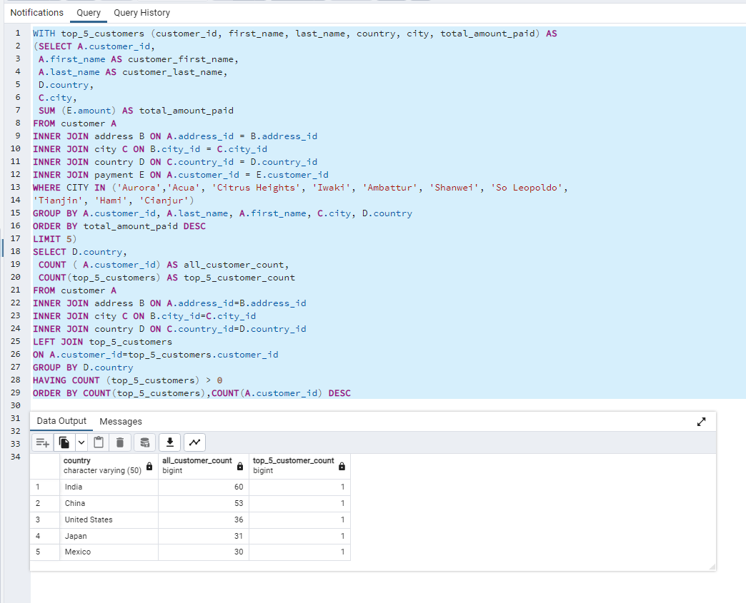
Column1 | Column2 | Column3 | WITH top_5_customers (customer_id, first_name, last_name, country, city, total_amount_paid) AS (SELECT A.customer_id, A.first_name AS customer_first_name, A.last_name AS customer_last_name, D.country, C.city, SUM (E.amount) AS total_amount_paid FROM customer A INNER JOIN address B ON A.address_id = B.address_id INNER JOIN city C ON B.city_id = C.city_id INNER JOIN country D ON C.country_id = D.country_id INNER JOIN payment E ON A.customer_id = E.customer_id WHERE CITY IN ('Aurora','Acua', 'Citrus Heights', 'Iwaki', 'Ambattur', 'Shanwei', 'So Leopoldo', 'Tianjin', 'Hami', 'Cianjur') GROUP BY A.customer_id, A.last_name, A.first_name, C.city, D.country ORDER BY total_amount_paid DESC LIMIT 5) SELECT D.country, COUNT ( A.customer_id) AS all_customer_count, COUNT(top_5_customers) AS top_5_customer_count FROM customer A INNER JOIN address B ON A.address_id=B.address_id INNER JOIN city C ON B.city_id=C.city_id INNER JOIN country D ON C.country_id=D.country_id LEFT JOIN top_5_customers ON A.customer_id=top_5_customers.customer_id GROUP BY D.country HAVING COUNT (top_5_customers) > 0 ORDER BY COUNT(top_5_customers),COUNT(A.customer_id) DESC
country | all_customer_count | top_5_customer_count
India | 60 | 1
China | 53 | 1
United States | 36 | 1
Japan | 31 | 1
Mexico | 30 | 1

